TITLE page
These tables have been prepared to support the State Insurance Regulatory Authority (SIRA) workers compensation monthly report.
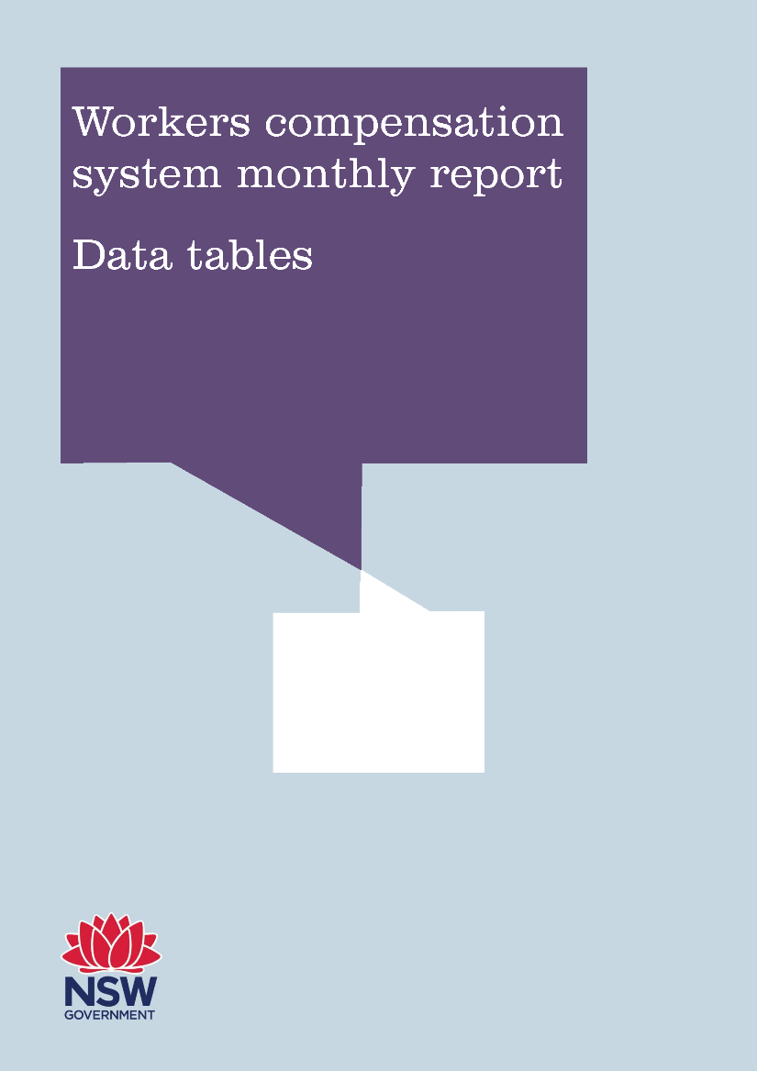

June 2018 (published September 2018)

