TITLE page
These tables have been prepared to support the State Insurance Regulatory Authority (SIRA) workers compensation monthly report.
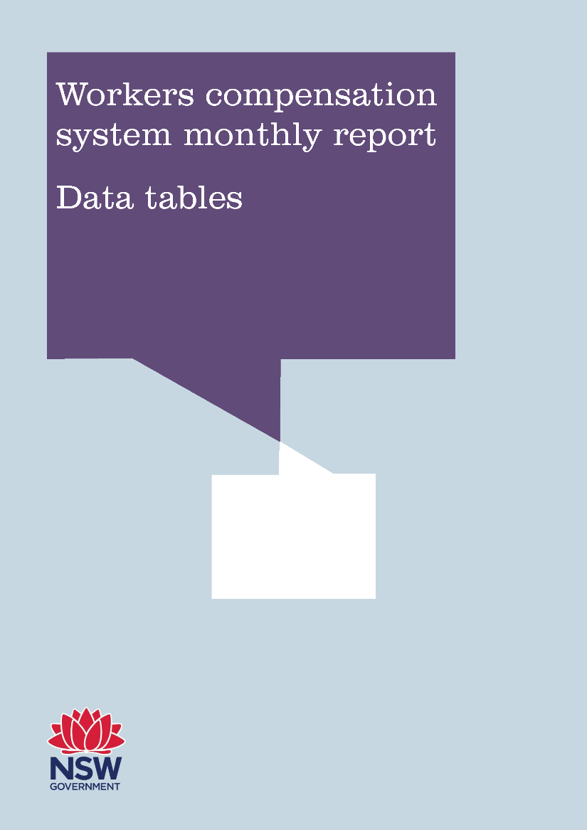

March 2018 (published June 2018)

